doimiy o'lchov birlik
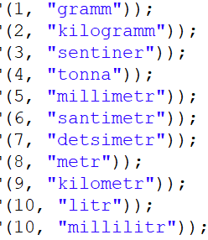
 | main_unit | count | unit |  | m_u | count | unit | 1 | goodId | count | m_ut | w_ut
1 | kg | 1000 | g | 1 | mm | 0.001 | m | 2 | 1 | 50 | sm | dm
1 | sr | 100 | kg | 1 | sm | 0.01 | m | 3 | 1 | 800 | sm | m
1 | sr | 100000 | g | 1 | dm | 0.1 | m | 4 | 1 | 100 | sm | m
1 | t | 1000 | kg | 1 | m | 1 | m | 5 | 1 | 950 | sm | dm
1 | t | 10 | sr |  |  |  |  | 6
1 | t | 1000000 | g |  |  |  |  | 7
 |  |  |  |  |  |  |  | 8
 |  |  |  |  |  |  |  | 9
1 | sm | 10 | mm
1 | dm | 10 | sm
1 | dm | 100 | mm | 1 | g | 0.001 | kg
1 | m | 1000 | mm | 1 | kg | 1 | kg
1 | m | 100 | sm | 1 | sr | 100 | kg
1 | m | 10 | dm | 1 | t | 1000 | kg
1 | km | 1000000 | mm
1 | km | 100000 | sm
1 | km | 10000 | dm
1 | km | 1000 | m

1 | litr | 1000 | ml
1
1
1
1
1
1
1
1
1

